Sheet1
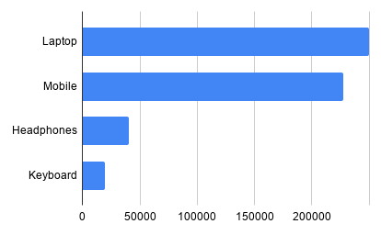
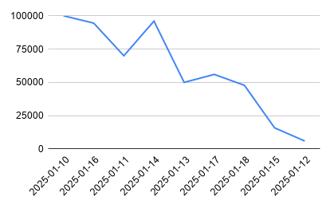
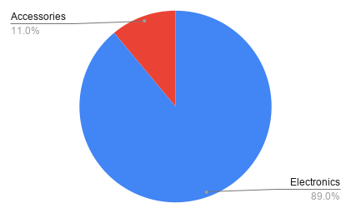
Order_id | Order_date | City | Product | Category | Quantity | Price | Total Sales
1001 | 2025-01-10 | Pune | Laptop | Electronics | 2 | 50000 | 100000
1010 | 2025-01-16 | Mumbai | Mobile | Electronics | 4 | 21000 | 84000
1002 | 2025-01-11 | Mumbai | Mobile | Electronics | 3 | 20000 | 60000
1007 | 2025-01-14 | Nagpur | Laptop | Electronics | 1 | 52000 | 52000
1005 | 2025-01-13 | Mumbai | Laptop | Electronics | 1 | 50000 | 50000
1012 | 2025-01-17 | Pune | Laptop | Electronics | 1 | 48000 | 48000
1006 | 2025-01-14 | Pune | Mobile | Electronics | 2 | 22000 | 44000
1014 | 2025-01-18 | Nagpur | Mobile | Electronics | 2 | 19500 | 39000
1008 | 2025-01-15 | Mumbai | Headphones | Accessories | 6 | 1800 | 10800
1011 | 2025-01-16 | Nagpur | Headphones | Accessories | 7 | 1500 | 10500
1003 | 2025-01-11 | Pune | Headphones | Accessories | 5 | 2000 | 10000
1015 | 2025-01-18 | Pune | Headphones | Accessories | 4 | 2200 | 8800
1013 | 2025-01-17 | Mumbai | Keyboard | Accessories | 5 | 1600 | 8000
1004 | 2025-01-12 | Nagpur | Keyboard | Accessories | 4 | 1500 | 6000
1009 | 2025-01-15 | Pune | Keyboard | Accessories | 3 | 1700 | 5100

